Calc
 | Codex
Radius | 2.5 |  |  |  |  | X | Y | X | Y | X | Y
XY Centre | 5 | 5 | Labels |  |  | 5 | 5 | 5 | 5 | 5 | 5
240 | 4 |  | - |  |  | 8.3 | 5 | 8.2278870824 | 5.6861085797 | 8.2954774647 | 4.8272913444
225 | 3 |  | 10 |  | Asia Pac
210 | 3 |  | 20 |  | 2013-10-01 | Taxation | Score | Audit | Score | Advisory | Score
195 | 3 |  | 30 |  | Speed | 160 | 85% | 152 | 80% | 162 | 86% | Speed
180 | 3 |  | 40 |  | Calculated Angle | 0 |  | 12 |  | -3 |  | Calculated Angle
165 | 3 |  | 50 |  | Needle Lenght | 3.3 |  | 3.3 |  | 3.3 |  | Needle Lenght
150 | 3 |  | 60
135 | 3 |  | 70 |  | Min Angle Used | 30 |  | 30 |  | 30 |  | Min Angle Used | Americas
120 | 4 |  | 80 |  | Max Angle Used | 240 |  | 240 |  | 240 |  | Max Angle Used
105 | 4 |  | 90 |  | Min Value Used | 0 |  | 0 |  | 0 |  | Min Value Used
90 | 5 |  | 100 |  | Max Value Used | 140 |  | 140 |  | 140 |  | Max Value Used
75 | 6 |  | 110
60 | 6 |  | 120 |  | Angle Gap | 210 |  | 210 |  | 210 |  | Angle Gap
45 | 7 |  | 130 |  | Value Gap | 140 |  | 140 |  | 140 |  | Value Gap
30 | 7 |  | 140

 |  |  |  |  | Region | Dept | Type | Calcs
 |  |  |  |  | Asia Pac | Taxation | Leads | 360
 |  |  |  |  | Asia Pac | Taxation | Meetings | 49
 |  |  |  |  | Asia Pac | Taxation | Submissions | 22
 |  |  |  |  | Asia Pac | Taxation | Shortlist | 9
 |  |  |  |  | Asia Pac | Audit | Leads | 172
 |  |  |  |  | Asia Pac | Audit | Meetings | 42
 |  |  |  |  | Asia Pac | Audit | Submissions | 16
 |  |  |  |  | Asia Pac | Audit | Shortlist | 4
 |  |  |  |  | Asia Pac | Advisory | Leads | 197
 |  |  |  |  | Asia Pac | Advisory | Meetings | 20
 |  |  |  |  | Asia Pac | Advisory | Submissions | 8
 |  |  |  |  | Asia Pac | Advisory | Shortlist | 5

 |  |  |  | Measure | Dept | Region | PY | PY Var | CY | CY Var
 |  |  |  | Satisfaction | Taxation | Asia Pac | 81.0% | 19.0% | 83.0% | 17.0%
 |  |  |  | Satisfaction | Audit | Asia Pac | 83.0% | 17.0% | 85.0% | 15.0%
 |  |  |  | Satisfaction | Advisory | Asia Pac | 88.0% | 12.0% | 92.0% | 8.0%
 |  |  |  | Satisfaction | Taxation | Europe | 76.0% | 24.0% | 81.0% | 19.0%
 |  |  |  | Satisfaction | Audit | Europe | 79.0% | 21.0% | 82.0% | 18.0%
 |  |  |  | Satisfaction | Advisory | Europe | 72.0% | 28.0% | 75.0% | 25.0%
 |  |  |  | Satisfaction | Taxation | Americas | 78.0% | 22.0% | 80.0% | 20.0%
 |  |  |  | Satisfaction | Audit | Americas | 83.0% | 17.0% | 90.0% | 10.0%
 |  |  |  | Satisfaction | Advisory | Americas | 87.0% | 13.0% | 91.0% | 9.0%

 |  |  |  |  | Taxation | Asia Pac | 81.0% | 19.0% | 83.0% | 17.0%
 |  |  |  |  | Audit | Asia Pac | 83.0% | 17.0% | 85.0% | 15.0%
 |  |  |  |  | Advisory | Asia Pac | 88.0% | 12.0% | 92.0% | 8.0%

Output
Gauge Dashboard
10
3

Staff Utilisation
Funnel
Customer Satisfaction

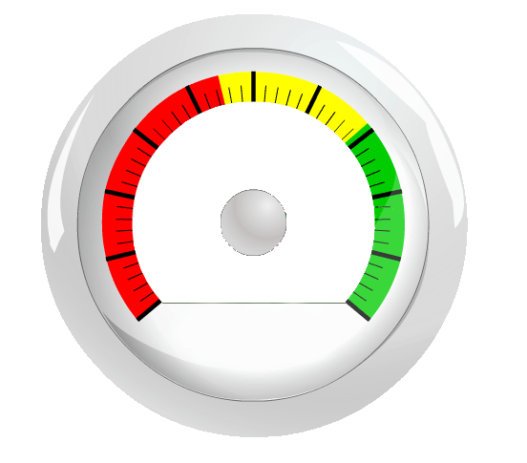

 | Needle |  | Centre
5 | 5 | 5 | 5
8.3 | 5
10
20
0
30
40
50
60
70
80
90
100
85%
Taxation
 | 81.0% | 83.0%
 | 19.0% | 17.0%

Leads
360
 | Top 10 Clients | YTD
 | Adaro Energy | $14,409,000
 | Anhui Conch Cement | $13,254,940
Meetings
 | Agile Property Holdings | $11,045,120
 | Asian Paints | $10,162,320
49
83.0%
81.0%
 | Changsha Zoomlion Heavy Industry | $8,385,120
Submissions
 | Axiata Group | $4,153,800
22
 | Asia Pacific Breweries | $2,813,400
 | Belle International Holdings | $2,529,520
Shortlists
 | Bharti Airtel | $2,172,720
9
 | Bank Central Asia | $948,960

5 | 5
8.2278870824 | 5.6861085797
10
20
0
30
40
50
60
70
80
90
100
80%
Audit
Leads
172
Meetings
42
Submissions
16
Shortlists
4
 | 83.0% | 85.0%
 | 17.0% | 15.0%
 | Top 10 Clients | YTD
 | Anhui Conch Cement | $18,291,817
 | Agile Property Holdings | $15,242,266
 | Asian Paints | $14,024,002
 | Adaro Energy | $12,884,420
85.0%
83.0%
 | Changsha Zoomlion Heavy Industry | $6,911,466
 | Asia Pacific Breweries | $3,882,492
 | Axiata Group | $3,732,244
 | Bharti Airtel | $2,998,354
 | Belle International Holdings | $1,490,738
 | Bank Central Asia | $1,309,565

5 | 5
8.2954774647 | 4.8272913444
10
20
0
30
40
50
60
70
80
90
100
86%
Advisory
Leads
197
Meetings
20
Submissions
8
Shortlists
5
 | 88.0% | 92.0%
 | 12.0% | 8.0%
 | Top 10 Clients | YTD
 | Axiata Group | $8,076,900
 | Adaro Energy | $7,204,500
 | Anhui Conch Cement | $6,627,470
 | Agile Property Holdings | $5,522,560
92.0%
88.0%
 | Asian Paints | $5,081,160
 | Belle International Holdings | $3,264,760
 | Asia Pacific Breweries | $1,406,700
 | Bharti Airtel | $1,086,360
 | Changsha Zoomlion Heavy Industry | $692,560
 | Bank Central Asia | $474,480

